Sheet1
BRAND | DESCRIPTION | QUANTITY | PRODUCT CODE | EAN | SRP | TOTAL RRP | PRODUCT IMAGE
FILA | SMALL SIDE BAG LIGHT GREY MARL/WHITE/PEACOAT AND LIGHT GREY MARL/WHITE/ROYAL BLUE | 112 | XS13ESU039 | 9100000745138/9100000745121 | £20 | £2,240 | 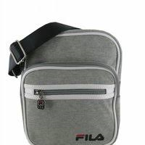 | 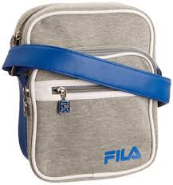
FILA | LARGE SIDE BAG RED/BLUE | 10 | XS14FHE005 | 9100000862248 | £30 | £300 | 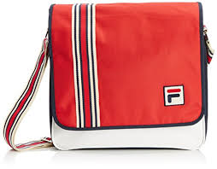
 | TOTAL | 122
FILA | SPORTS HOLDALL RED / BLUE | 3 | XF14FHE002 |  | £30 | £150 | 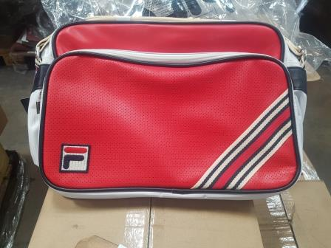
FILA | TINNED WALLETS | 5 | XF14VIN013 |  | £10 | £50
FILA | CORD BAG BLACK | 55 | XS14ESU010 |  | £11 | £605 | 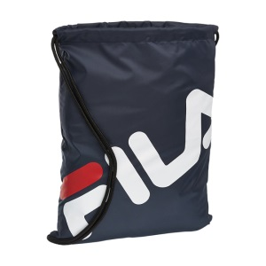
FILA | FABRIC WALLET BLUE | 67 | XF14VIN016 | 5055882300897 | £10 | £670 | 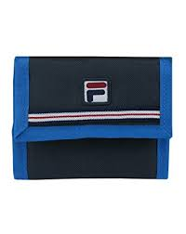
FILA | TUBE SPORTS BAG BLUE | 7 | XS4FHE006 |  | £15.00 | £105
FILA | SMALL SHOULDER BAG BLUE | 12 | XF14FHE023 | 9100000948188 | £22 | £264 | 
FILA | LARGE SHOULDER BAG BLUE | 26 | XS14FHE005 |  | £30 | £780
FILA | SHOULDER BAG DEEP PURPLE | 5 | XF14VIN012
FILA | BACKPACK BLACK | 1 | XS14ESU003 |  | £20 | £20
 | TOTAL | 183
ROCKET DOG | DAISY DUKE BLACK RUCKSACK | 240 | RDSSBP13 | 5060182117373 | £25 | £6,000 | 
 | TOTAL | 240
ROCKET DOG | SHOPPER BAG LOVE HEARTS | 106 | 224/9522 |  | £14 | £1,484.00
ROCKET DOG | RUCKSACK HEARTS | 66 | 192/9434 |  | £14 | £924 | 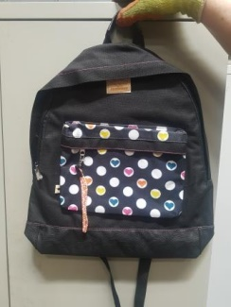
 | TOTAL | 172
ROCKET DOG | DAISY DUKE BLACK RUCKSACK | 330 | RDSSBP13 | 5060182117373 | £25 | £8,250
ROCKET DOG | SORBETTO PEACH RUCKSACK | 86 | RDSSBP13B | 5060182117380 | £25 | £2,150 | 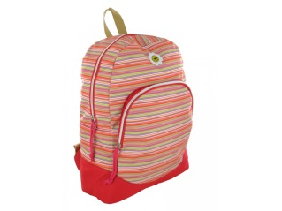
ROCKET DOG | RUCKSACK BLACK | 25 | RDABP16BK | 5060182117847 | £35 | £875 | 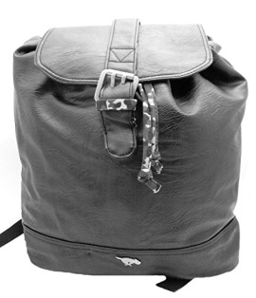
 | TOTAL | 441
STORM | LEATHER BAG BROWN | 78 | STABY60A | 5060182118141 | £40 | £3,120 | 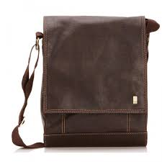
STORM | WALLETS BROWN | 141 | STGIF51A | 5060182118103 | £25 | £3,525 | 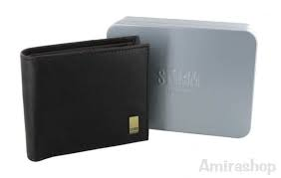
STORM | SMALL LEATHER BAGS BROWN | 60 | STABY60A | 5060182118141 | £40 | £2,400
 | TOTAL | 279 |  |  |  | £9,045
ROCKET DOG | RUCKSACK BROWN WITH HEARTS | 188 | 213/5007 |  | £40 | £7,520 | 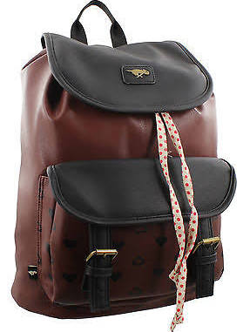
 | TOTAL | 188
STORM | WALLET WITH KEY RING | 545 | STGIF58A | 5060182118127 | £25 | £13,625
STORM | WALLET BROWN | 156 | STGIF51A | 5060182118103 | £25 | £3,900 | 
 | TOTAL | 701
ROCKET DOG | MIXED RUCKSACK | 12 | RDABP16BK |  | £25 | £300
ROCKET DOG | RUCKSACK BLACK/ WHITE | 13 | RDABP15BKW | 5060182117823 | £15 | £195
ROCKET DOG | MIXED SHOPPER BAGS | 25 | RDHOB04BS | 5060182114808 | £40 | £1,000 | 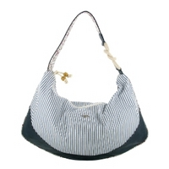 | A37
ROCKET DOG | MIXED BACKPACKS | 11 | RDBP44
ROCKET DOG | MIXED I PAD CASES | 18 | RDAPRS26BKM |  | £25 | £450 | 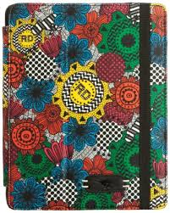
ROCKET DOG | RUCKSACKS BLACK/ORANGE | 46 | RDPROM01 | 5060182117885 | £25 | £1,150
ROCKET DOG | BACKPACKS BLACK | 9 | RDBP59
ROCKET DOG | BACKPACK BLUE | 25 | RDABP15MB |  | £30 | £750 | 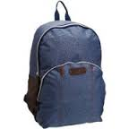
ROCKET DOG | MIXED SACTHELS | 18 | RDACBY21BK | ONE OF THE MIXED TYPE | £35 | £630 |  | 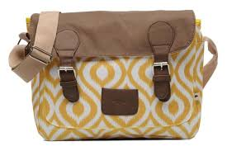 | 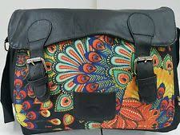
 | TOTAL | 177
ROCKET DOG | MIXED SHOPPER BAGS | 22 | RDAHOB11BKW | 5060182117922 | £35 | £770
ROCKET DOG | CROSS BODY BAGS | 69 | RDCBY36/RDCBY54 | 5060182118929 | £30 | £2,070 | 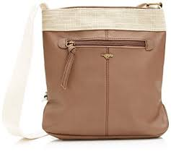 | 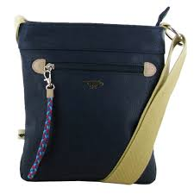
ROCKET DOG | SATCHEL BAGS BLACK | 25 | RDACBY21BK | 5060182117809 | £35 | £875 | 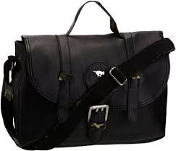
ROCKET DOG | CROSS BODY BAGS RED | 30 | RDCBY46 | 5060182119810 | £35 | £1,050 | 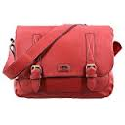
ROCKET DOG | BACK PACK BLACK | 9 | RDABP16BK |  | £15 | £135 | 
ROCKET DOG | BACK PACK BLUE DENIM | 25 | RDABP15MB |  | £15 | £375 | 
ROCKET DOG | SATCHEL BROWN | 26 | 226/6220 |  | £35 | £910 | 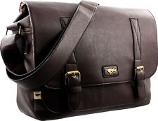
 | TOTAL | 206
ROCKET DOG | MIXED PURSES | 96 | RDCBY01/ RDCBY50 |  | £10 | £960.00
ROCKET DOG | BACKPACK BLACK | 20 | 205/7264 |  | £20 | £400 | 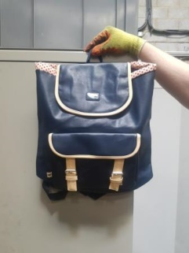
ROCKET DOG | MIXED BACKPACKS | 9 | RDBP22 | 5060182119025 | £40 | £360 | 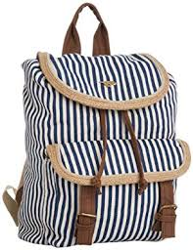
ROCKET DOG | SATCHEL RED | 30 | RDCBY46 |  | £35 | £1,050
ROCKET DOG | PARSLEY SHOPPER MIXED STYLES | 28 | RDSHP36 | 5060182119711 | £35 | £980 | 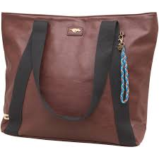
ROCKET DOG | MIXED BAGS | 27 | RDACBY21WM | 5060182117878 | £25 | £675 | 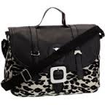
ROCKET DOG | SHOPPER BAGS DENIM | 70 | RDHOB03D | 5060182114761 | £35 | £2,450 | 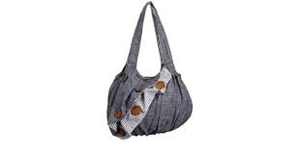
ROCKET DOG | RUCKSACKS BLUEBELL | 20 | RDBP39 | 5060182119865 | £40 | £800
 | TOTAL | 300
ROCKET DOG | SHOPPER BAGS BLACK FLOWERS | 87 | RDSBP14
ROCKET DOG | SHOPPER ORANGE | 10 | RDSHP22 | 5060182118905 | £35 | £350 | 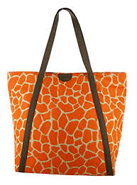
ROCKET DOG | BLUE BACKPACK | 15 | MIXED |  | £30 | £300
ROCKET DOG | PURSES MIXED | 24 | RDCBY51 |  | £30 | £300
ROCKET DOG | RUCKSACK + SHOPPER MIXED | 20 | RDSHP34 |  | £30 | £300
ROCKET DOG | SHOPPER BAGS MIXED | 40 | RDSHP03 | 5060182114518 | £25 | £1,000 | 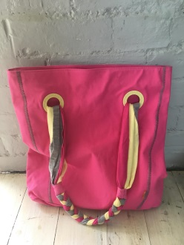
ROCKET DOG | SHOULDER BAGS MIXED | 8 | MIXED |  | £15 | £120
ROCKET DOG | SATCHEL MIXED | 20 | RDSHP35 |  | £15 | £300
ROCKET DOG | SHOPPER | 10 | RDSHP34 | 5060182118899 | £35 | £350 | 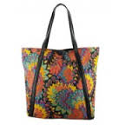
ROCKET DOG | MIXED BAGS | 15 | RDSBP10B |  | £39 | £585
DUCK HEAD | UMBERELLAS | 60 | DUCK UMBRELLA GREEN | 5055882300774 | £15 | £900
ROCKET DOG | CLUTH BAGS BLACK GOLD | 23 | RDAPRS29BKW | 5060182117946 | £10 | £230 | 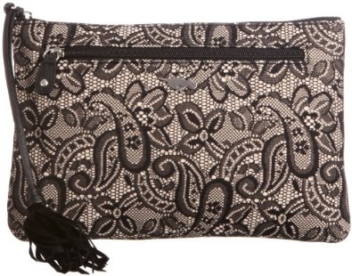
ROCKET DOG | BACK PACKS DENIM | 20 | RDASHP17MB | 5060182117786 | £20 | £400
 | TOTAL | 352

 | TOTAL | 3361
 |  |  |  |  |  | £91,472

